Analysis
Total Revenue |  | Total Transactions | Average Order Value | Units Sold
£1,552,071 |  | 12,575 | £129.65 | 66,276

Revenue by Category
Row Labels | Sum of Total spent Cleaned |  |  |  | Row Labels | Sum of Total spent Cleaned
Butchers | 208118 |  |  |  | In-store | 760670
Electric household essentials | 203813.5 |  |  |  | Online | 791401
Beverages | 197047.5 |  |  |  | Grand Total | 1552071
Furniture | 195310
Revenue by Sales Channel
Food | 194812
Computers and electric accessories | 190692.5
Patisserie | 182165.5
Milk Products | 180112
Grand Total | 1552071

Row Labels | Sum of Total spent Cleaned
2022-01 | 52911.5
2022-02 | 43325.5
Monthly Revenue Trend
2022-03 | 40996 |  |  |  | Row Labels | Sum of Total spent Cleaned
2022-04 | 40442 |  |  |  | Cash | £537,710
2022-05 | 40347.5 |  |  |  | Digital Wallet | £507,279
2022-06 | 42576 |  |  |  | Credit Card | £507,082
2022-07 | 44471.5 |  |  |  | Grand Total | 1552071
2022-08 | 41333.5
Revenue by Payment Method
2022-09 | 46113.5
2022-10 | 38355
2022-11 | 41256.5
2022-12 | 38201
2023-01 | 48052.5
2023-02 | 39214.5
2023-03 | 38534.5
2023-04 | 38905.5
2023-05 | 40480.5
2023-06 | 42474
2023-07 | 45632.5
2023-08 | 38592
2023-09 | 41069
2023-10 | 38322
2023-11 | 37014
2023-12 | 43021
2024-01 | 47908.5
2024-02 | 37145 |  |  |  | Row Labels | Sum of Total spent Cleaned
2024-03 | 42861.5 |  |  |  | Discounted | 524443.5
2024-04 | 46271 |  |  |  | Not Discounted | 515135
2024-05 | 43766.5 |  |  |  | Unknown | 512492.5
2024-06 | 44721 |  |  |  | Grand Total | 1552071
2024-07 | 41405
2024-08 | 43362
REVENUE BY DISCOUNT STATUS
2024-09 | 42161.5
2024-10 | 42736.5
2024-11 | 44076
2024-12 | 48466.5
Grand Total | 1526522.5

Dashboard
Total Revenue | Total Transactions | Average Order Value | Units Sold
£1,552,071 | 12,575 | £129.65 | 66,276

Revenue by Payment Method
 | Total
Cash | £537,710
Digital Wallet | £507,279
Credit Card | £507,082
Revenue by Category
 | Total
Butchers | 208118
Electric household essentials | 203813.5
Beverages | 197047.5
Furniture | 195310
Food | 194812
Computers and electric accessories | 190692.5
Patisserie | 182165.5
Milk Products | 180112

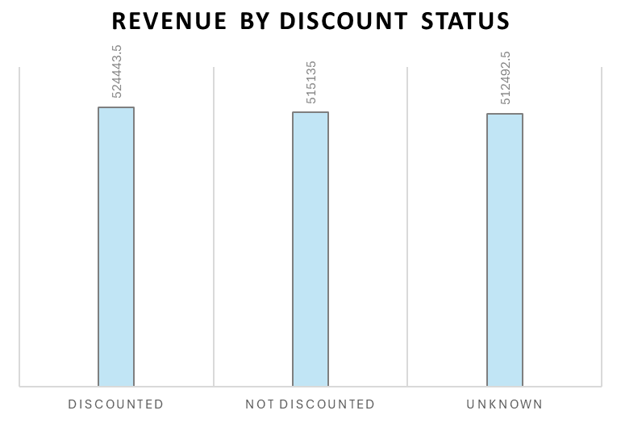

Revenue by Sales Channel
 | Total
In-store | 760670
Online | 791401
Monthly Revenue Trend
 | Total
2022-01 | 52911.5
2022-02 | 43325.5
2022-03 | 40996
2022-04 | 40442
2022-05 | 40347.5
2022-06 | 42576
2022-07 | 44471.5
2022-08 | 41333.5
2022-09 | 46113.5
2022-10 | 38355
2022-11 | 41256.5
2022-12 | 38201
2023-01 | 48052.5
2023-02 | 39214.5
2023-03 | 38534.5
2023-04 | 38905.5
2023-05 | 40480.5
2023-06 | 42474
2023-07 | 45632.5
2023-08 | 38592
2023-09 | 41069
2023-10 | 38322
2023-11 | 37014
2023-12 | 43021
2024-01 | 47908.5
2024-02 | 37145
2024-03 | 42861.5
2024-04 | 46271
2024-05 | 43766.5
2024-06 | 44721
2024-07 | 41405
2024-08 | 43362
2024-09 | 42161.5
2024-10 | 42736.5
2024-11 | 44076
2024-12 | 48466.5

